Cutting Plan
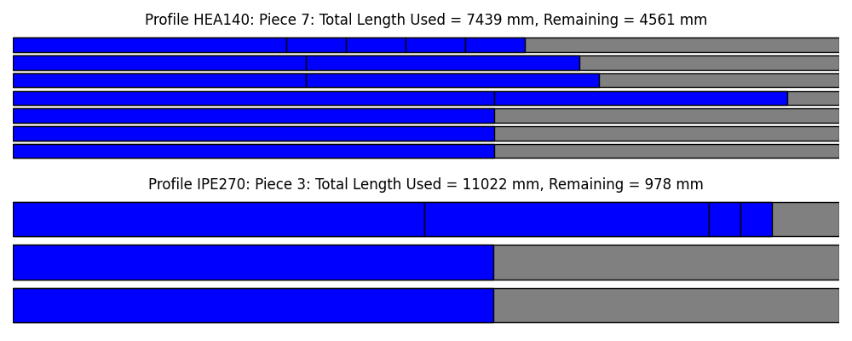
Profile | Stock Length | Cut Index | Pieces Cut | Total Length Used | Remaining Length
HEA140 | 12000 | 1 | [6990] | 6990 | 6990
HEA140 | 12000 | 2 | [6990] | 6990 | 6990
HEA140 | 12000 | 3 | [6990] | 6990 | 6990
HEA140 | 12000 | 4 | [6990, 4255] | 11245 | 11245
HEA140 | 12000 | 5 | [4255, 4255] | 8510 | 8510
HEA140 | 12000 | 6 | [4255, 3971] | 8226 | 8226
HEA140 | 12000 | 7 | [3971, 867, 867, 867, 867] | 7439 | 7439
IPE270 | 12000 | 1 | [6975] | 6975 | 6975
IPE270 | 12000 | 2 | [6975] | 6975 | 6975
IPE270 | 12000 | 3 | [5975, 4137, 455, 455] | 11022 | 11022

